Template Help
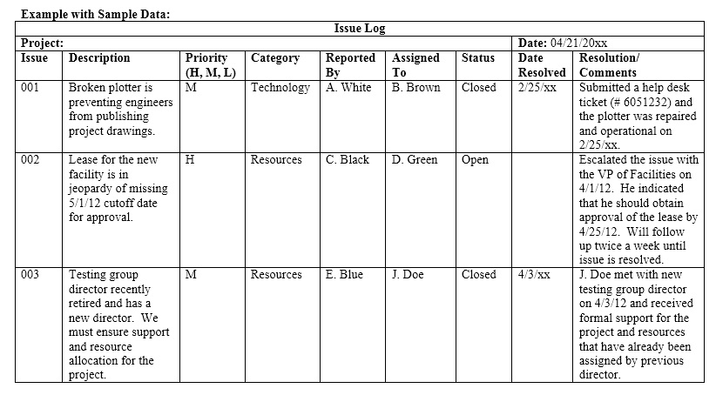
Overview / grading requirements:
The issue log, sometimes also known as an issue register, is a project document where all issues that are negatively affecting the project are recorded and tracked.
When an issue log is created, it provides a tool for reporting and communicating all that is happening within the project.
An issue log is a simple list or spreadsheet that helps managers track the issues that arise in a project and prioritize a response to them.
Having an issue log is important because it ensures team members properly document any challenges they may face during a project's life cycle.

Helpful Links:
https://pmstudycircle.com/issue-log/
https://www.youtube.com/watch?v=kQMaJ5GA7r4

Example:

